F. Pipes
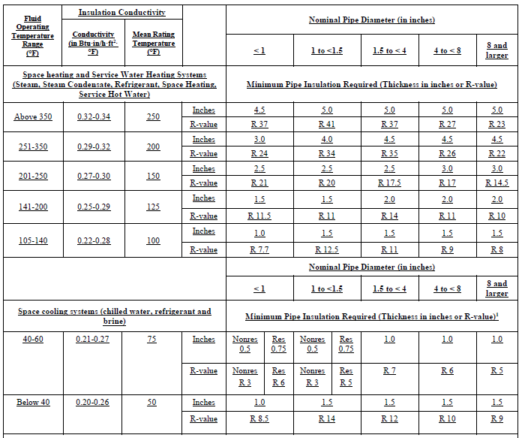
 | Input from NRCC | UI/Installer Input | Calculated

Pipe Insulation
Insulation shall be protected from damage, including that due to sunlight, moisture, equipment maintenance, and wind. Insulation exposed to weather shall be installed with a cover suitable for outdoor service. Insulation covering chilled water piping and refrigerant suction piping located outside the conditioned space shall have a Class I or Class II vapor retarder. All penetrations and joints of which shall be sealed. Insulation thickness (in) or R-value shall be per the following Title 24, Part 6 Table 120.3-A.

Sig Block
